Sheet1
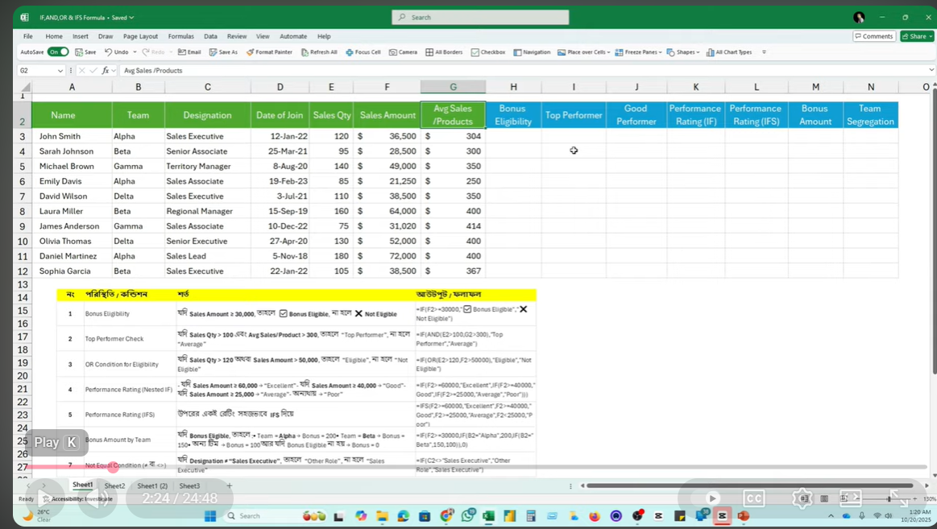
Name | Team | Designation | Date of Join | Sales Qty | Sales Amount | Avg Sales/ Products | Bonus Eligibility | Top Performer | Good Performer | Performance Rating(IF) | Performance Rating(IFS) | Bonus Amount | Team Segregation
John Smith | Alpha | Sales Executive | 12-Jan-22 | 120 | $36,500 | $304 | Eligible | Top Performer | Poor | Average | Average | $200 | Sales Executive
sarah Johnson | Beta | Senior Associate | 25-Mar-21 | 95 | $28,500 | $300 | Not Eligible | Average | Poor | Average | Average | $0 | Other Role
Michael Brown | Gamma | Territory Manager | 8-Aug-20 | 140 | $49,000 | $350 | Eligible | Top Performer | Good Performer | Good | Good | $100 | Other Role
Emily Davis | Alpha | Senior Associate | 19-Feb-23 | 85 | $21,250 | $250 | Not Eligible | Average | Poor | Poor | Poor | $0 | Other Role
David Wilson | Delta | Sales Executive | 3-Jul-21 | 110 | $38,500 | $350 | Eligible | Top Performer | Poor | Average | Average | $100 | Sales Executive
Laura Miler | Beta | Regional Manager | 15-Sep-19 | 160 | $64,000 | $400 | Eligible | Top Performer | Good Performer | Excellent | Excellent | $150 | Other Role
James Anderson | Gamma | Sales Associate | 10-Dec-22 | 75 | $31,020 | $414 | Eligible | Average | Poor | Average | Average | $100 | Other Role
Olivia Thomas | Delta | Senior Executive | 27-Apr-20 | 130 | $52,000 | $400 | Eligible | Top Performer | Good Performer | Good | Good | $100 | Other Role
Daniel Martinez | Alpha | Sales Lead | 5-Nov-18 | 180 | $72,000 | $400 | Eligible | Top Performer | Good Performer | Excellent | Excellent | $200 | Other Role
Sophia Garela | Beta | Senior Executive | 22-Jan-22 | 105 | $38,500 | $367 | Eligible | Top Performer | Poor | Average | Average | $150 | Other Role

নং | পরিস্থিতি/কন্ডিশন | শর্ত |  |  |  |  |  | আউটপুট/ফলাফল
1 | Bonus Eligibility | যদি sales Amount ³30000 তাহলে Bonus Eligible না হলে Not Eligible |  |  |  |  |  | =IF(F3>=30000,"Bonus Eligible","Not Eligible")
2 | Top Performer Check | যদি sales Qty >100 এবং Avg Sales/Product>300 তাহলে Top Performer না হলে Average |  |  |  |  |  | =IF(AND(E3>100,G3>300,"Top Performer","Average")
3 | OR Condition for Eligible | যদি sales Qty >120 অথবা Sales Amount>5000 তাহলে Eligible না হলে Not Eligible |  |  |  |  |  | =IF(OR(E3>120,F3>50000),"Good Performer","Poor")
4 | Performance Rate(IF) | যদি sales Amount >=60000,Excellent", যদি Sales Amount>=40000, "Good" যদি Sales Amount>=25000,"Average","Poor" |  |  |  |  |  | =IF(F3>=60000,"Excellent",IF(F3>=40000,"Good", IF(F3>=25000,"Average","Poor")))
5 | Performance Rate(IFS) | যদি sales Amount >=60000,Excellent", যদি Sales Amount>=40000, "Good" যদি Sales Amount>=25000,"Average","Poor" |  |  |  |  |  | =IF(F3>=60000,"Excellent",IF(F3>=40000,"Good", IF(F3>=25000,"Average","True","Poor")))
6 | Bonus Amount by Team | যদি Bonus Eligible হয় এবং Team Alpha হয় তবে Bonus=200 , Team Beta হলে, Bonus=150 হলে অন্য team হলে, Bonus=100, আর যদি Bonus Eligible না হয় Bonus=0 |  |  |  |  |  | =IF(F3>=30000,IF(B3="Alpha", 200,If(B3="Beta",150,100)),0)
7 | Not Equal condition বা <> | যদি Designation"Sales Executive তাহলে Other Role না হলে Sales Executive |  |  |  |  |  | =IF(C3<>"Sales Executive","Other Role","Sales Executive")

Cricket ODI
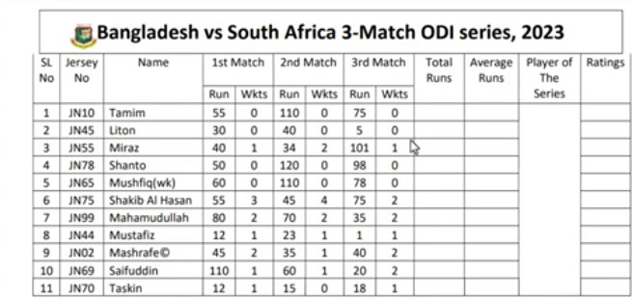
 |  |  | 1st match |  | 2nd match |  | 3rd match
SL No | Jersey No | Name | Run | Wkts | Run | Wkts | Run | Wkts | Total Runs | Average Runs | Player of the Series | Ratings
1 | EN10 | Tamim | 55 | 0 | 110 | 0 | 75 | 0 | 240 | 80.00 | Traskin | **
2 | EN45 | Liton | 30 | 0 | 40 | 0 | 5 | 0 | 75 | 25.00
3 | EN55 | Miraz | 40 | 1 | 34 | 2 | 101 | 1 | 255 | 58.33 |  | **
4 | EN78 | Shanto | 50 | 0 | 120 | 0 | 98 | 0 | 268 | 89.33 |  | **
5 | EN65 | Mushfiq(wk) | 60 | 0 | 110 | 0 | 78 | 0 | 248 | 82.67 |  | **
6 | EN75 | Shakib Al Hasan | 55 | 3 | 45 | 4 | 75 | 2 | 355 | 58.33 |  | ***
7 | EN99 | Mahaamudullah | 110 | 2 | 100 | 2 | 35 | 2 | 365 | 81.67 |  | ***
8 | EN44 | Mustafiz | 12 | 1 | 23 | 1 | 1 | 1 | 96 | 12.00
9 | EN02 | Masrafe C | 45 | 2 | 35 | 1 | 40 | 2 | 220 | 40.00 |  | **
10 | EN69 | Saifuddin | 110 | 1 | 60 | 1 | 20 | 2 | 270 | 63.33 |  | **
11 | EN70 | Traskin | 12 | 1 | 15 | 0 | 18 | 1 | 85 | 15.00

 |  |  |  |  | =AND(COUNTIF($B$5:$B$15,B5)=1,LEN(B5)=4,Left(B5,2)="EN")

 |  |  |  | Total Run | =SUM(D5,F5,H5)+SUM(E5,G5,I5)*20

 |  |  | Player of Series |  | =INDEX(C5:C15,MATCH(MAX(J5:J15),J5:J15)) |  |  |  |  |  |  |  | Helper Table
 |  |  |  |  |  |  |  |  |  |  |  |  | Total Runs | Name
 |  | FALSE | FALSE |  |  |  |  |  |  |  |  |  | 240 | Tamim
 |  |  |  |  |  |  |  |  | VLOOKUP |  |  |  | 75 | Liton
 |  |  |  |  |  |  |  |  | Traskin |  |  |  | 255 | Miraz
 |  |  |  |  |  |  |  |  |  |  |  |  | 268 | Shanto
 |  |  |  |  |  |  |  |  |  |  |  |  | 248 | Mushfiq(wk)
 |  |  |  |  |  |  |  |  |  |  |  |  | 355 | Shakib Al Hasan
 |  |  |  |  | =VLOOKUP(MAX(J28:J38),J28:K38,2) |  |  |  |  |  |  |  | 365 | Mahaamudullah
 |  |  |  |  |  |  |  |  |  |  |  |  | 96 | Mustafiz
 |  |  | Rating | =IF(J5<100,"",REPT("*",INT(J5/100))) |  |  |  |  |  |  |  |  | 220 | Masrafe C
 |  |  |  |  |  |  |  |  |  |  |  |  | 270 | Saifuddin
 |  |  |  |  |  |  |  |  |  |  |  |  | 85 | Traskin

Sheet2
নং | পরিস্থিতি/কন্ডিশন | শর্ত | আউটপুট/ফলাফল
1 | Bonus Eligibility | যদি sales Amount ³30000 তাহলে Bonus Eligible না হলে Not Eligible | =IF(F3>=30000,"Bonus Eligible","Not Eligible")
2 | Top Performer Check | যদি sales Qty >100 এবং Avg Sales/Product>300 তাহলে Top Performer না হলে Average | =IF(AND(E3>100,G3>300,"Top Performer","Average")
3 | OR Condition for Eligible | যদি sales Qty >120 অথবা Sales Amount>5000 তাহলে Good Performer না হলে Poor | =IF(OR(E3>120,F3>50000),"Good performer","Poor")
4 | Performance Rate(IF) | যদি sales Amount >=60000,Excellent", যদি Sales Amount>=40000, "Good" যদি Sales Amount>=25000,"Average","Poor" | =IF(F3>=60000,"Excellent",IF(F3>=40000,"Good", IF(F3>=25000,"Average","Poor")))
5 | Performance Rate(IFS) | যদি sales Amount >=60000,Excellent", যদি Sales Amount>=40000, "Good" যদি Sales Amount>=25000,"Average","Poor" | =IF(F3>=60000,"Excellent",IF(F3>=40000,"Good", IF(F3>=25000,"Average","True","Poor")))
6 | Bonus Amount by Team | যদি Bonus Eligible হয় এবং Team Alpha হয় তবে Bonus=200 , Team Beta হলে, Bonus=150 হলে অন্য team হলে, Bonus=100, আর যদি Bonus Eligible না হয় Bonus=0 | =IF(F3>=30000,IF(B3="Alpha", 200,If(B3="Beta",150,100)),0)
7 | Not Equal condition বা <> | যদি Designation"Sales Executive তাহলে Other Role না হলে Sales Executive | =IF(C3<>"Sales Executive","Other Role","Sales Executive"
 | IF()
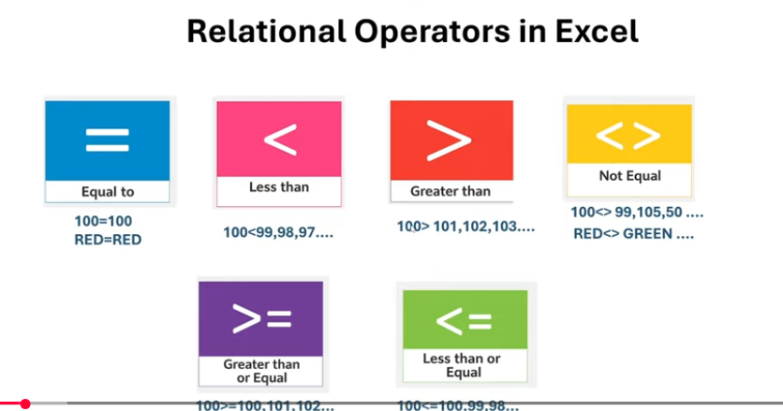
 | IF(And
 | IF(OR
 | IFS
 | IF(<>)
 | IF(<=)
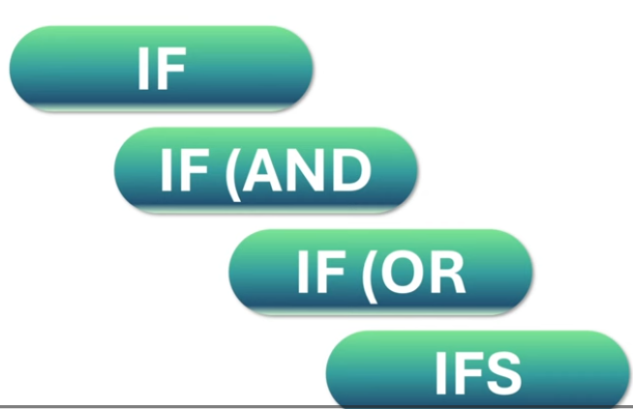
 | IF(>=)

Salary sheet
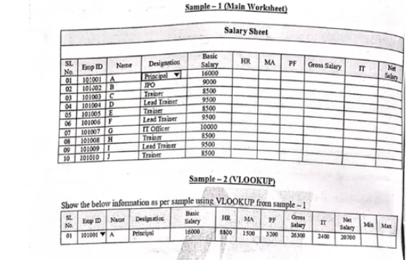
SL. No. | Emp ID | Name | Designation | Basic Salary | HR | MA | PF | Gross Salary | IT | Net Salary
01 | 100101 | A | Principal | 16000 | 8000 | 1500 | 3200 | 25500 | 2400 | 19900
02 | 100102 | B | IPO | 9000 | 4950 | 1500 | 1800 | 15450 | 1350 | 12300
03 | 100103 | C | Trainer | 8500 | 5100 | 1500 | 1700 | 15100 | 1275 | 12125
04 | 100104 | D | Lead Trainer | 9500 | 5225 | 1500 | 1900 | 16225 | 1425 | 12900
05 | 100105 | E | Trainer | 8500 | 5100 | 1500 | 1700 | 15100 | 1275 | 12125
06 | 100106 | F | Lead Trainer | 9500 | 5225 | 1500 | 1900 | 16225 | 1425 | 12900
07 | 100107 | G | IT Officer | 10000 | 5500 | 1500 | 2000 | 17000 | 1500 | 13500
08 | 100108 | H | Trainer | 8500 | 5100 | 1500 | 1700 | 15100 | 1275 | 12125
09 | 100109 | I | Lead Trainer | 9500 | 5225 | 1500 | 1900 | 16225 | 1425 | 12900
10 | 100110 | J | Trainer | 8500 | 5100 | 1500 | 1700 | 15100 | 1275 | 12125

 | House Rent | Basic Salary 16000 টাকা বা এর চেয়ে বেশী হয় তবে HR 50%, Basic Salary 9000 টাকা বা এর চেয়ে বেশী হয় তবে HR 55%,
 |  | Basic Salary 9000 টাকা এর চেয়ে কম হয় তবে HR 60%,

 | EMP ID Validat | data--Data validation---Custom--Formula--=AND(LEN(B3)=6,Countif($b3$:$b12$,B3)<2)

Job-02_Age_VLOOKUP
S/N | Name | Age | Sum | Average | Count | Max | Min | Age Category
1 | Ali | 12 | 145 | 24.17 | 6 | 44 | 2 | Children
2 | Riad | 2 |  |  |  |  |  | Children
3 | Hasan | 30 |  |  |  |  |  | Adult
4 | Amena | 25 |  |  |  |  |  | Youth
5 | Roy | 44 |  |  |  |  |  | Adult
6 | Sarah | 32 |  |  |  |  |  | Adult

Age
 |  | K | L
 |  | VLOOKUP TABLE
 |  | Riad | Children

 | Age Validation | Data |  | Data validation |  | Allow |  | Whole Number | Minimum | 1 | Maximum | 44 | OK
Age category Condition | =IF(AND(F3>=1,F3<=12),"Children",IF(AND(F3>=18,F3<=25),"Youth",IF(AND(F3>=26,F3<=44),"Adult")))

Age Category Highlight with Colour
 | Conditional Formating |  | Text that Contains | Format cells that Contains the text | Children | Green fill with Dark green Text | OK

Expense_income
Date | Category | Description | Amount | Budget Range | Rank | Type
1-Jun-24 | Income | Salary | 30000 | - | - | Income | =IF(B6="income","Income","expense")
2-Jun-24 | Housing | Rent | 12000 | OverBudget | 1 | expense
2-Jun-24 | Utilities | Electricity Bill | 1100 | OverBudget | 3 | expense | Conditional Formatting
3-Jun-24 | Food | Groceries(Vegetables) | 600 | InRange | 6 | expense
4-Jun-24 | Food | Groceries(Fish) | 1800 | InRange | 2 | expense
5-Jun-24 | Utilities | Internet Bill | 500 | OverBudget | 7 | expense |  | Highlight cell rules | Text that contains | income | green
6-Jun-24 | Transport | Office Transport | 700 | InRange | 5 | expense
7-Jun-24 | Entertainment | Movie | 400 | OverBudget | 8 | expense |  | TRUE
8-Jun-24 | Food | Groceries(Vegetables) | 800 | InRange | 4 | expense
 |  |  |  |  |  |  | Income
Category Validation | =OR(B6="Income",B6="Housing",B6="Utilities",B6="Food",B6="Transport",B6="Entertainment")
 | Total Income | 30000 |  | =SUMIF(G6:G14,"Income",D6:D14)
 | TotalExpense | 17900 |  | =SUMIF(G6:G14,"Expense"D6:D14)
 | Net Income | 12100 |  | =C20-C21

 | Budget Range |  | =IF(D6>$C$20*20%,"Overbudget","InRange")
 |  | =IF(G6="Income","-",IF(D6>$C$20*20%,"OverBudget","InRange"))

 |  | Rank | =IF(G6="Income","-",RANK(D6,$K$13:$K$21,0))
 |  |  | =IF(ISNUMBER(K13),RANK(K13,$K$13:$K$21),"-")
 | Drop Down | Data---Data Validation--Allow--List--Formula--K26:k30--ok

Monthly Budget Traker

 | VLOOKUP
 | Category | Total Amount
 | Food | 3200 |  | =VLOOKUP(J34,K26:L30,2,0)

 | Helper Table VLOOKUP
 | Income | 30000
 | Housing | 12000
 | Utilities | 1600
 | Food | 3200
 | Transport | 700
 | Entertainment | 400

 | Helper Table for Rank
 | -
 | 12000
 | 1100 |  | =IF(G6="Income","-",D6)
 | 600
 | 1800
 | 500
 | 700
 | 400
 | 800

Cash Memo
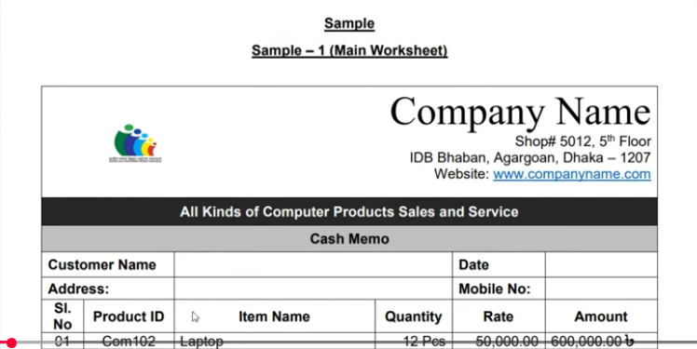

Company Name Shop#5012, 5th Floor IDB Bhaban, Agargaon, Dhaka-1207 Website:www.copmanyname.com
All kinds of computer Products Sales and Service
Cash Memo
Customer Name |  |  |  | Date | 4/13/2026 | =now() | custom | delete h:mm
Address: |  |  |  | Mobile No: | 01723456891 | Text | data | validation | text length | equal to | 11 | ok
SL No | Product ID | Item Name | Quantity | Rate | Amount
01 | Com102 | Lap top | 12 Pcs | 50,000.00 | 600,000.00৳ | product ID | =AND(COUNTIF($B$12:$B$18,B12)=1,LEN(B12)=4,Left(B12,3)="Com")
02 | Com103 | Monitor | 15 Pcs | 10,000.00 | 150,000.00৳ |  | TRUE
03 | Com104 | Mouse | 50 Pcs | 500.00 | 25,000.00৳
04 | Com105 | Keyboard | 20 Pcs | 800.00 | 16,000.00৳
05 | Com106 | SSD | 10 Pcs | 2,500.00 | 25,000.00৳ | item name | Data | Validation | List | Custom:Laptop,Monitor,Mouse,Keyboard,SSD, Ram, Casing
06 | Com107 | RAM | 15 Pcs | 2,500.00 | 37,500.00৳
07 | Com108 | Casing | 10 Pcs | 2,000.00 | 20,000.00৳
08 |  |  |  |  |  | Quantity | General | Custom | #, "Pcs"
09
10
Paid |  |  | Grand Total |  | 873,500.00৳
 |  |  | Discount |  | 78615
 |  |  | Vat |  | 26,205.00৳
 |  |  | Payable |  | 821,090.00৳
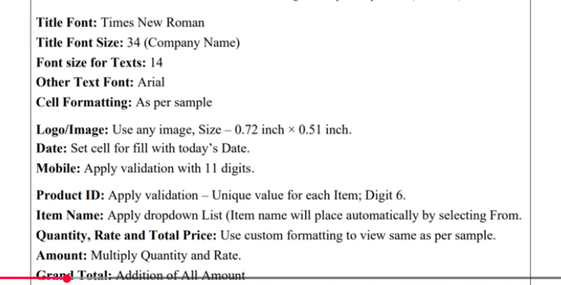
In word

Monthly Salary
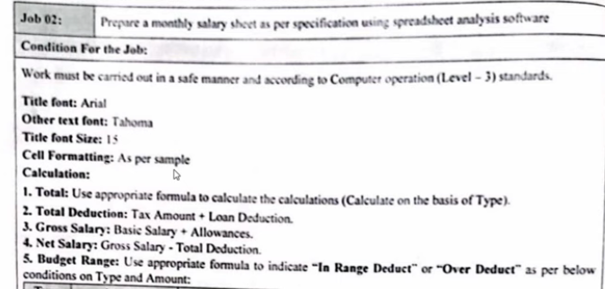
Monthly Salary Sheet
Salary for the monthof january, 2025

Employee ID | Employee Name | Basic Salary | Allowances | Tax Rate (%) | Tax Amount | Loan Deduction | Total Deduction | Gross Salary | Net Salary | Budget Range
E001 | Rakib | 6000 | 1000 | 10 | 600 | 400 | 1000 | 7000 | 6000 | Inrange Deduct
E002 | Pershia | 5000 | 1200 | 15 | 750 | 500 | 1250 | 6200 | 4950 | Over Deduct
E003 | Roman | 4000 | 1500 | 20 | 800 | 500 | 1300 | 5500 | 4200 | Over Deduct
E004 | Nishat | 3000 | 1000 | 10 | 300 | 500 | 800 | 4000 | 3200 | Inrange Deduct
E005 | Sahir | 8000 | 500 | 15 | 1200 | 500 | 1700 | 8500 | 6800 | Over Deduct
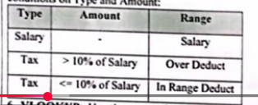

Budget range | =IF(F6>(J6*10%),"Over Deduct",IF(F6<=(J6*10%),"Inrange Deduct"))

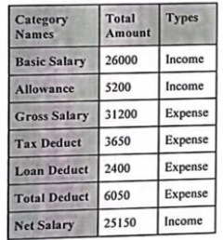
 |  | Category Name | Total Amount | Types
 |  | Basic Salary | 26000 | Income
 |  | Allowance | 5200 | Income |  | VLOOKUP
 |  | Gross Salary | 31200 | Income |  | Category Name | Total Amount
 |  | Tax deduct | 3650 | Expense |  | Net salary | 25150
 |  | Loan deduct | 2400 | Expense
 |  | Total Deduct | 6050 | Expense
 |  | Net Salary | 25150 | Income

